INVOICE
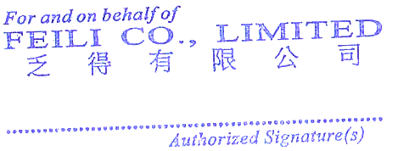

 |  |  | Proforma Invoice

Invoice to:
 |  |  | Invoce No.: |  | FEI10281
 |  |  | Date: |  | 24.11.2022
 |  |  | Contract No.: |  | FE7I08
 |  |  | Payment Terms: |  | Bank Transfer

Item | Description |  |  | Quantity Ton | Ton Price Eur | Total Price Eur

1 | Welded Steel Pipe |  |  | 6,500.00 | 1,642.00 | 10,673,000.00

General Conditions: |  |  |  | Total Net (Eur) |  | 10,673,000.00
 |  |  |  | Packing fees: |  | 6,050.00
Validity: One year |  |  |  | DISCOUNT (Eur) |  | -
Shipment Terms: Ex Works |  |  |  | TOTAL (Eur) |  | 10,679,050.00
Banking Charges: SHA (Shared)


Payment Details:

BANK DETAILS:
Beneficiary Name: |  | FEILI CO LIMITED
Bank Name: |  | CHINA GUANGFA BANK CGB
Account Number: |  | NRA9550880236213800286
SWIFT/BIC |  | GDBKCN22YWB
BENEFICIARY ADDRESS: |  | RM 4 16F HO KING COMM CTR 2 16 FAYUAN ST LPMG KOK KOWLOON HONG KONG
Currency: |  | Eur
Faan Lımıted. Registered in Hong Kong

