Sheet1
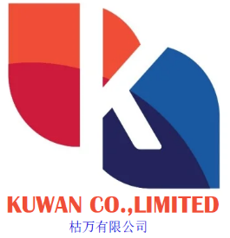
Proforma Invoice
CI No.: |  | KUW951874
Date of Issue: |  | 2022.09.30

Customer Name
Address
Tel

Item | Complete Description of Goods |  |  | Quantity | Unit Price (EUR) | Total Price (EUR)
1 | High Density Polyethylene, HEX4460 PE80+ |  |  | Net: 220 MT | 6000 | 1320000
 |  |  |  |  | DISCOUNT | -1307
 |  |  |  |  |  | 1321307
Payment Term: |  |  | 100% Cash in Advance
Net Weight: |  |  | 220 MT
Final Destination: |  |  | Turkey
Delivery Time: |  |  | Available in Stock

BANK DETAILS: BENEF NAME : KUWAN CO LIMITED BENEF ADDRESS: RM4 16F HO KING COMM CTR 2 16 FAYUEN ST MONGKOK KOWLOON HONG KONG CORP BANK NAME: CHINA GUANGFA BANK CGB SWIFT CODE: GDBKCN22YWB ACCOUNT (EUR): NRA9550880235140200225

Note 1: Shipping documents will be delivered after loading date.
Note 2: Buyer is not allowed to send or distribute PI to other party (Secrecy of Information)

