INVOICE

SACHIN INTERNATIONAL TRADE CO., LIMITED
FAMOUS HORSE CTR 1145-1153 CANTON ROAD KOWLOON HONG KONG MONG KOK HONG KONG

PROFORMA INVOICE
 |  |  |  | Invoice No: | SC2020468001
 |  |  |  | Invoice Date: | 2021.02.02
CONSIGNEE:
Name:
Address:

 |  | Payment term: %100 advance | Currency: | USD
 |  | Delivery term: Ex Works | Validity: | 30 Days

No: | DESCRIPTION OF GOODS |  | QUANTITY (UNIT) | UNIT PRICE (USD) | LINE TOTAL (USD)
1 | HYDRAULIC CNC BENDING MACHINE Machine Type: Press Brake , Main motor: Siemens Hydraulic system: Germany Bosch-Rexroth Voltage: 380V or 220V/60HZ /3P |  | 111 | 7,500.00 | 832,500.00

2 | HYDRAULIC CNC BENDING MACHINE Control system: CNC Delem DA41, Main Motor: 11/7.5 KW Machine Type: Press Brake, Nominal pressure: 1250 KN |  | 115 | 5,000.00 | 575,000.00

3 | PIPE TUBE BENDING MACHINE Production Capacity: 0-90m/min, Power(W): 3KW Thickness: 0.5-1.2mm, Voltage: 415V/420V/440V/380V |  | 85 | 600.00 | 51,000.00
Extra Charge = |  |  |  |  | 511
Net Total Ex Works (USD) Price = |  |  |  |  | 1,459,011.00

I hereby acknowledge the satisfactory completion of the above described work
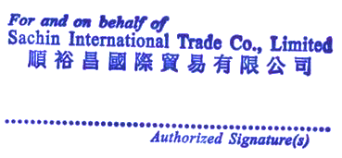

PAYMENT DETAILS
Name of Beneficiary: |  | SACHIN INTERNATIONAL TRADE CO., LIMITED
Address of Beneficiary: |  | FAMOUS HORSE CTR 1145-1153 CANTON ROAD KOWLOON HONG KONG MONG KOK HONG KONG
Beneficiary Bank: |  | ZHEJIANG CHOUZHOU COMMERCIAL BANK CO., LIMITED
SWIFT Code: |  | CZCBCN2X
Account No (USD): |  | NRA56504142010500000296
Thank you for your business!

