INVOICE


INVOICE

 | CONSIGNEE:
 | Name: |  |  | Invoice No: | SN20201196
 | Address: |  |  | Invoice Date: | 2020.11.10

 | No: | DESCRIPTION OF GOODS | QUANTITY (TON) | TON PRICE (USD) | LINE TOTAL (USD)
 | 1 | Galvanized square pipe Outside diameter (mm) 15x15-400x400 Wall thickness (mm) 0.6-20 Standard GB/T3091 GB/T3098 | 2500 | 590.00 | 1,475,000.00
 | 2 | Galvanized rectangular pipe Outside diameter (mm) 10x20-200x400 Wall thickness (mm) 0.6-20 Standard JIS-G3444 , EN10255 | 3692 | 440.00 | 1,624,480.00
 |  |  |  | EX CHARGE | 520.00
 |  |  |  | TOTAL(USD) | 3,100,000.00

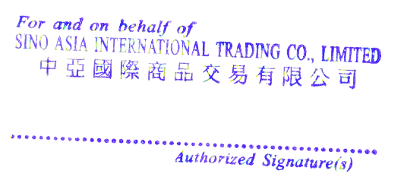

 | PAYMENT DETAILS
 | Name of Beneficiary: SINO ASIA INTERNATIONAL TRADING CO LIMITED
 | Address of Beneficiary: ROOM 1603 16 F THE PHOENIX 23 LUARD ROAD WANCHAI HONG KONG
 | Beneficiary Bank: ZHEJIANG TAILONG COMMERCIAL BANK
 | SWIFT Code: ZJTLCNBHXXX
 | Account No (USD): NRA31010140201000013646

