RAYBRIDGE INVOICE
EVER SOURCE TRADING CO., LIMITED
16/F KOWLOON BLDG 555 NATHAN RD MONGKOK

PROFORMA INVOICE
 |  |  | Invoice No: | 19051
 |  |  | Date: | 2019.02.22
To: | KEEN PEACE (HONG KONG) INTERNATIONAL COMPANY LIMITED
Add.: | UNIT H 9F ORIENT INTERNATIONAL SCIENCE AND TECHNOLOGY PALACE XIANGCHENG

Payment Terms |  | Validity | Currency
TT |  | 30 Days | USD

Qty | Description |  | SET Price (USD) | Line Total (USD)
8 | Vaccum Chemical Mixing Reactors Power(W):0.75kw-75kw Weight:200kg ~ 7500kg Volume:50-50000L,Speed control:0-60rpm Voltage:Customized, 220-480v, Stirring Power:0.75-75kw |  | 4,640.00 | 37,120.00
12 | Chemical Glass Reactor Power(W):370W Weight:32KG,Voltage:220V/50HZ Interlayer volume:0.8L,Dimension(L*W*H):350*345*1000mm Vacuum degree:0.098Mpa,Stirring speed:0-800rpm |  | 1,230.00 | 14,760.00
Ex CHARGE = |  |  |  | 117.77
 |  |  | Total Ex Works USD Price = | 51,997.77
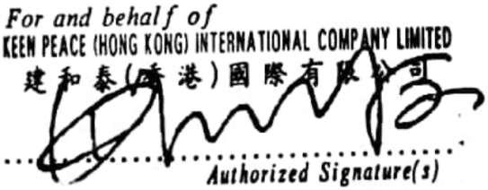

Bank Details:
Benef. Name: |  | EVER SOURCE TRADING CO., LIMITED
Benef. Address: |  | 16/F KOWLOON BLDG 555 NATHAN RD MONGKOK
Benef. Bank: |  | DBS BANK (CHINA) LIMITED
SWIFT Code: |  | DBSSCNSH
Account No: |  | NRA30005298888

